Description
Template for System Analysis

Authors:

Steinke. Uwe (Siemens), Welte, Jan (TU-BS)

Reviewers:

Reviewers of this document

Date and version:

2013-11-13 | V 1.0

Input documents:

• Subset 26 §3.6 (except § 3.6.6)
• Subset 26 Chapter 3, Chapter 7, Chapter 8

Files to complete this analysis

• SysML Model (SUBSET_26-3-3-0_Chapter-3-6)

Description

This Functin describs the location principles applied in ETCS. Theirfore the location data and all basic management functions are specified. In addition the Position reporting to the RBC is presented.

Design choices

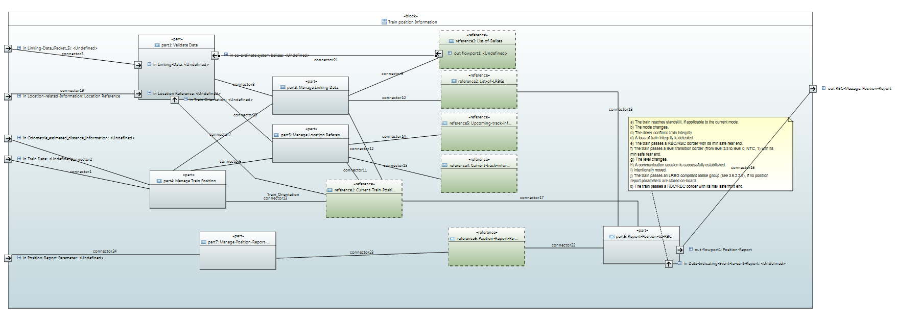

 | Functions
 | Data Storage

